F-14B
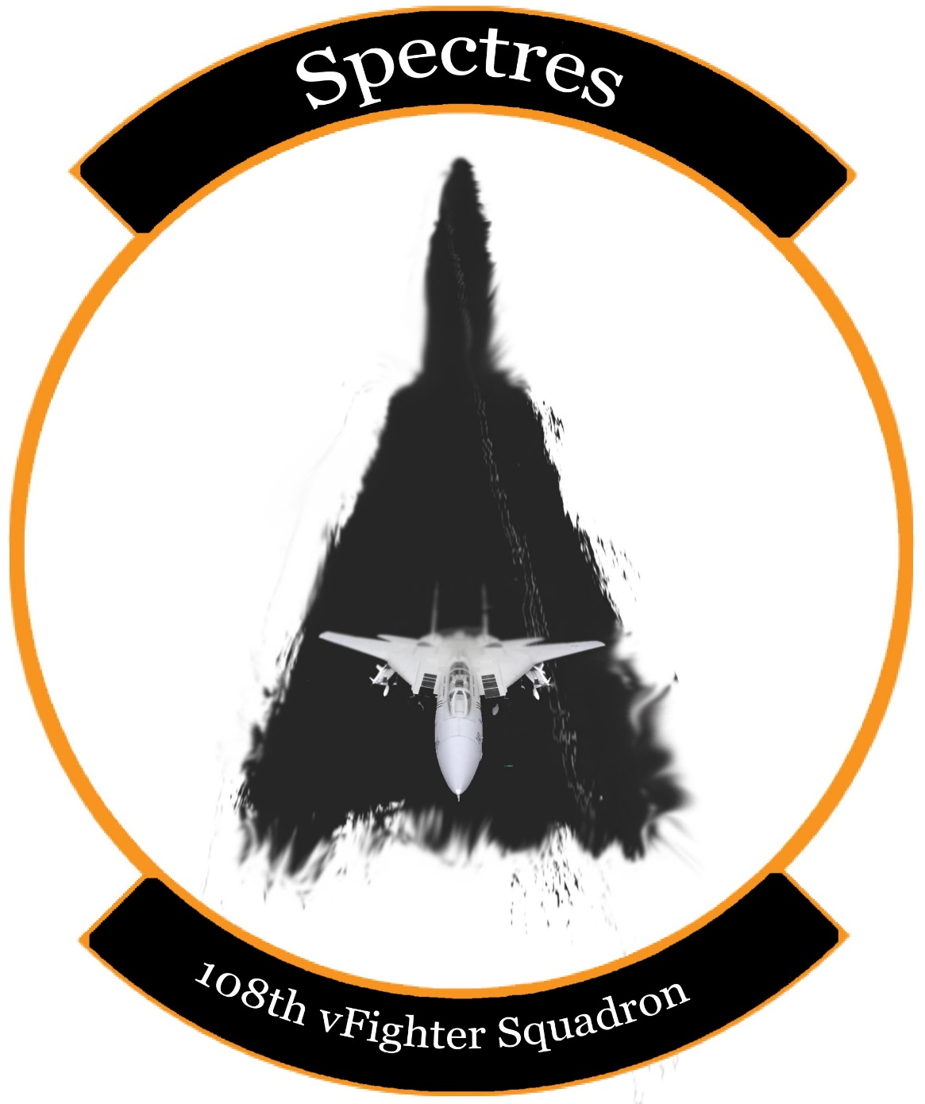
Air to Air Weapons | Cost | Weight (kg) | Number of Weapons | Cost Total | Weight Total (kg)
AIM-54A-Mk47 | $470,000 | 447 |  | $0 | 0
AIM-54A-Mk60 | $500,000 | 471 |  | $0 | 0
AIM-54C-Mk47 | $600,000 | 465 |  | $0 | 0
AIM-7F | $100,000 | 230 |  | $0 | 0
AIM-7M | $120,000 | 230 |  | $0 | 0
AIM-7MH | $125,000 | 230 |  | $0 | 0
AIM-9L | $190,000 | 86 |  | $0 | 0
AIM-9M | $200,000 | 86 |  | $0 | 0
Air to Ground Weapons | Cost | Weight (kg) | Number of Weapons | Cost | Weight Total (kg)
Mk-81 | $1,700 | 119 |  | $0 | 0
Mk-82 | $2,000 | 241 |  | $0 | 0
Mk-82 AIR | $2,300 | 258 |  | $0 | 0
Mk-82 AIR w/ ballute | $2,300 | 241 |  | $0 | 0
Mk-83 | $2,800 | 447 |  | $0 | 0
Mk-84 | $3,100 | 925 |  | $0 | 0

GBU-12 | $21,000 | 225 |  | $0 | 0
GBU-16 | $30,000 | 454 |  | $0 | 0
GBU-10 | $35,000 | 900 |  | $0 | 0
GBU-24 | $38,000 | 1000 |  | $0 | 0

MK-20 | $60,000 | 222 |  | $0 | 0
Zuni Mk71 | $35,000 | 200 |  | $0 | 0
ADM-141A | $100,000 | 180 |  | $0 | 0
Miscellaneous | Cost | Weight (kg) | Number of Weapons | Cost | Weight Total (kg)
LANTIRN pod | $1,400,000 | 300 |  | $0 | 0
Fuel Drop Tanks | $5,000 | 125 |  | $0 | 0

 |  |  | TOTAL | $0 | 0

Max Cost Allowed: $100,000,000
Max Weight Allowed: 120,000 kgs

